Sheet1


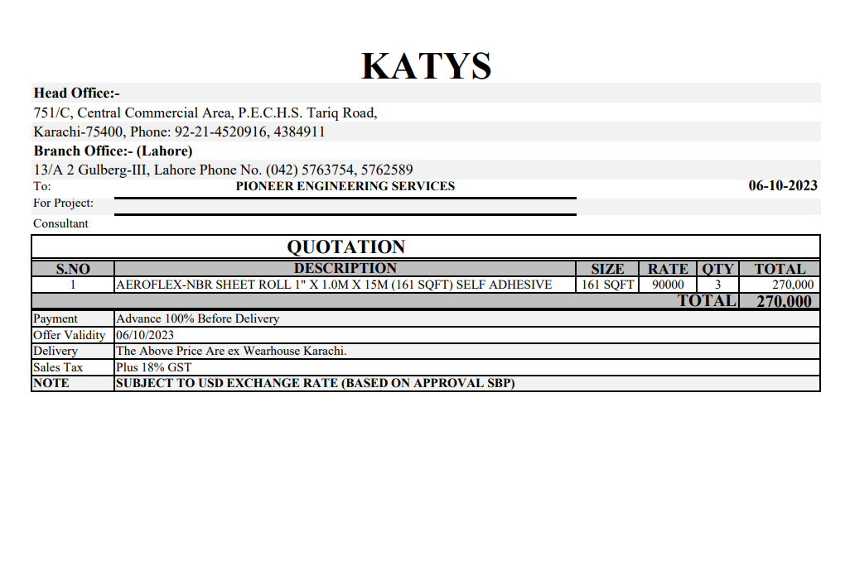

M/S National Engineers Co |  |  |  |  |  |  |  | 2023-10-09
Project: ENGRO - THF Karachi
Variation Order No 2

 |  |  |  |  |  |  |  |  | 3175000
 |  |  |  |  |  |  |  |  | 3746500

Attn: Mr. Sheikh Ibetehaj

Variation order for Sound Liner - ENGRO - THF Karachi

S. # | Description | Material Rate | Labour Rate | Wastage 10% | OPT 25% | Unit | Qty | Amount
1 | Supply and installation of Aeroflex NBR insulation sheet roll 1" Thickness (self Adhesive) | 660 | 130 | 66 | 214 | Sqft | 483 | 484,932 | 483
Total Amount Rs. |  |  |  |  |  |  |  | 484,932 |  | #REF!
 |  |  |  |  |  |  |  |  |  | #REF!

Note: Please add Your margin on above variation.

For PIONEER ENGINEERING SERVICES.

